Hold No. 1
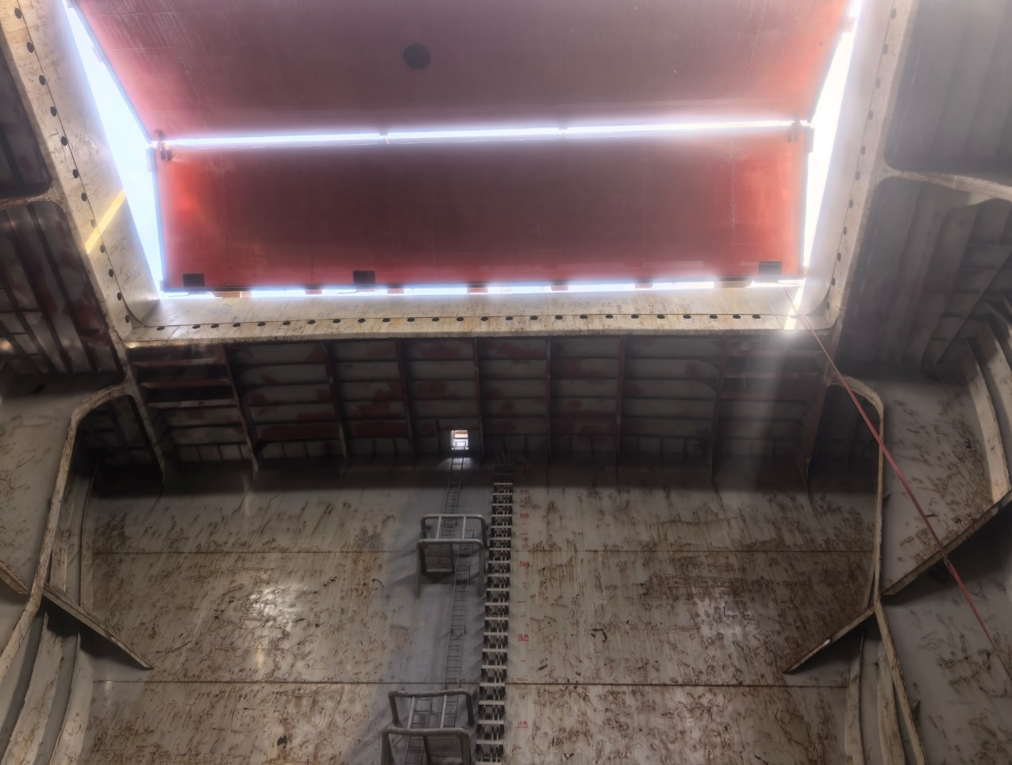 | 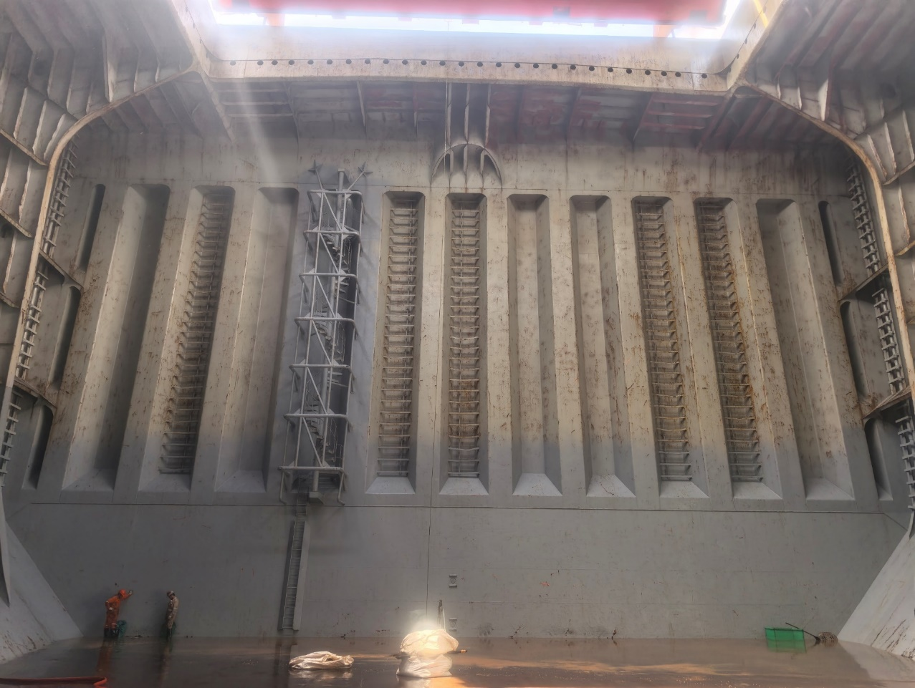 | 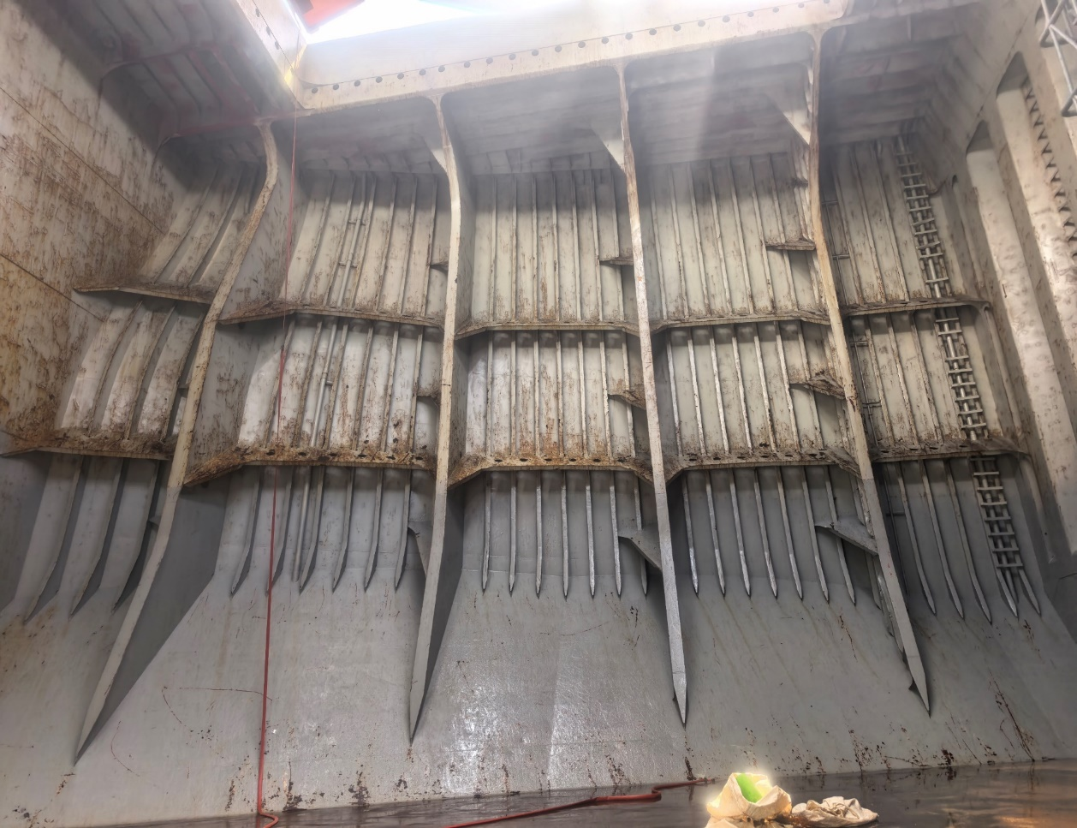 | 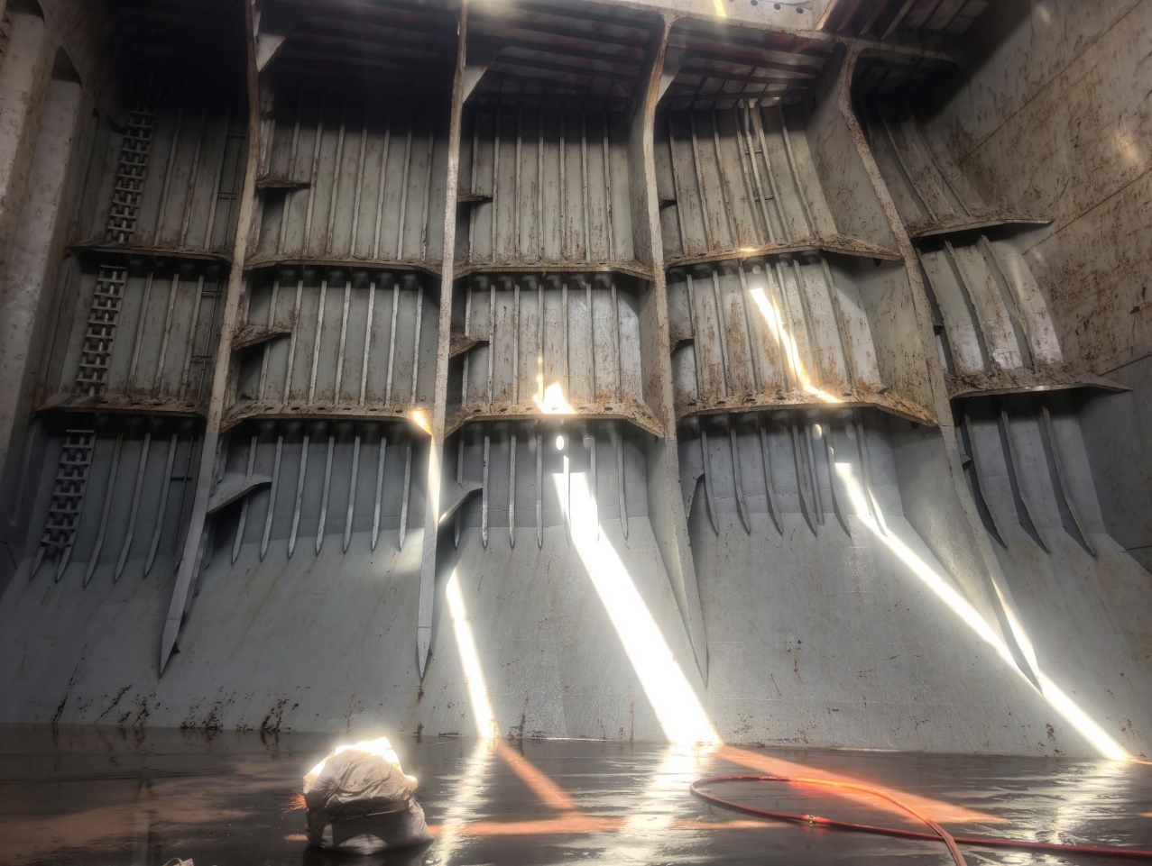
Forward Bulkhead:good conditon | AFT Bulkhead:good conditon | Starboard Side Bulkhead:good conditon | Portside Bulkhead:good conditon
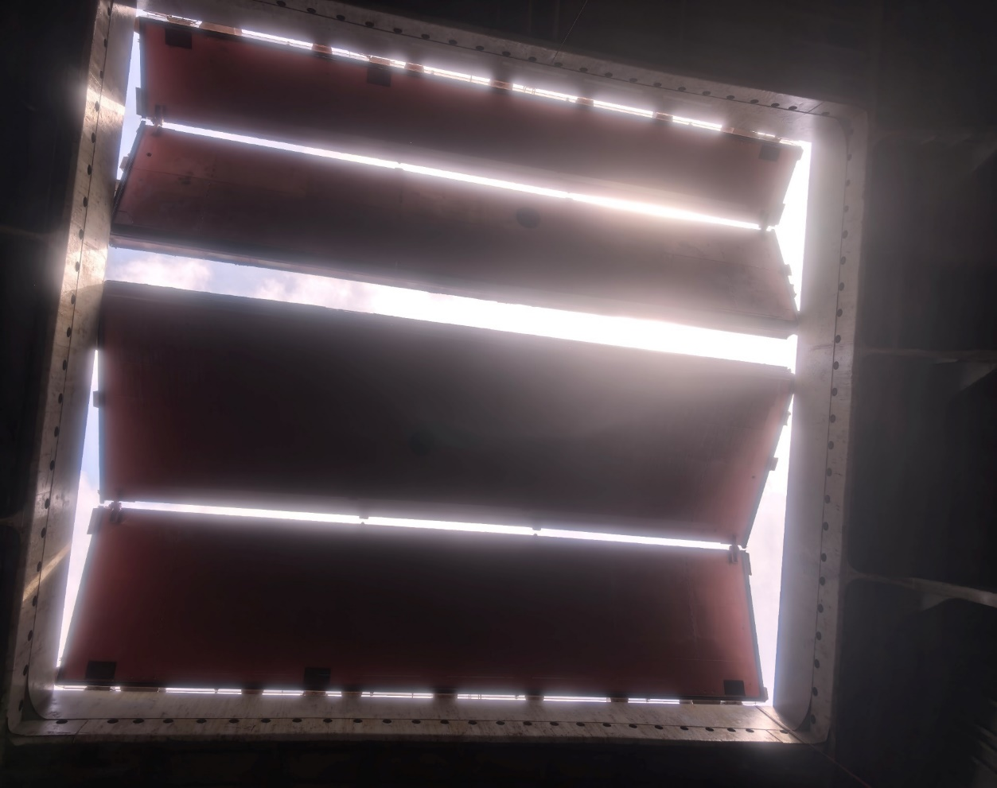 | 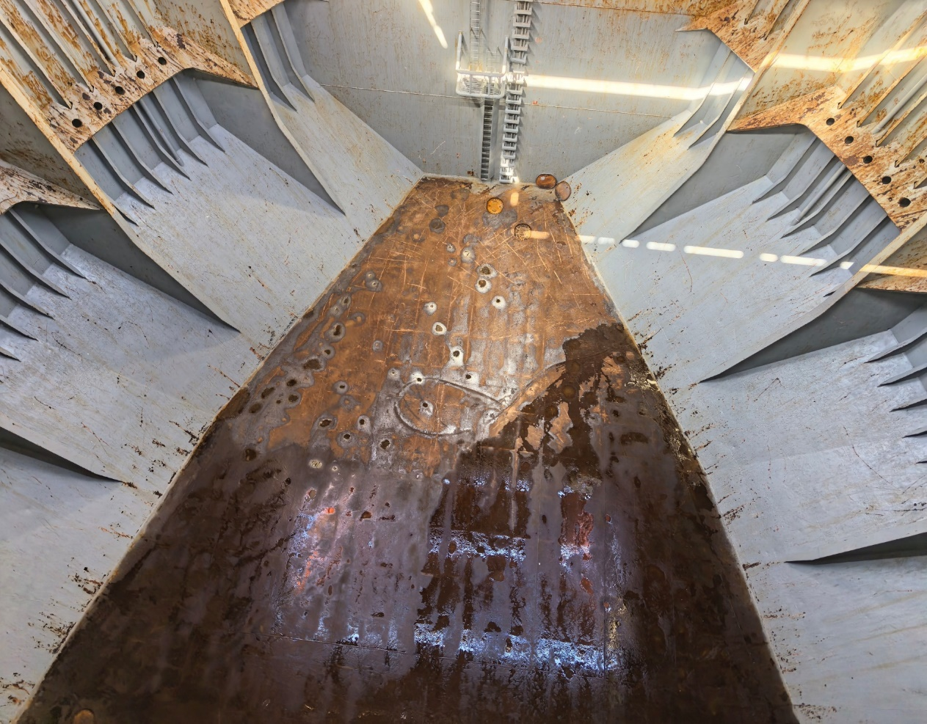 | 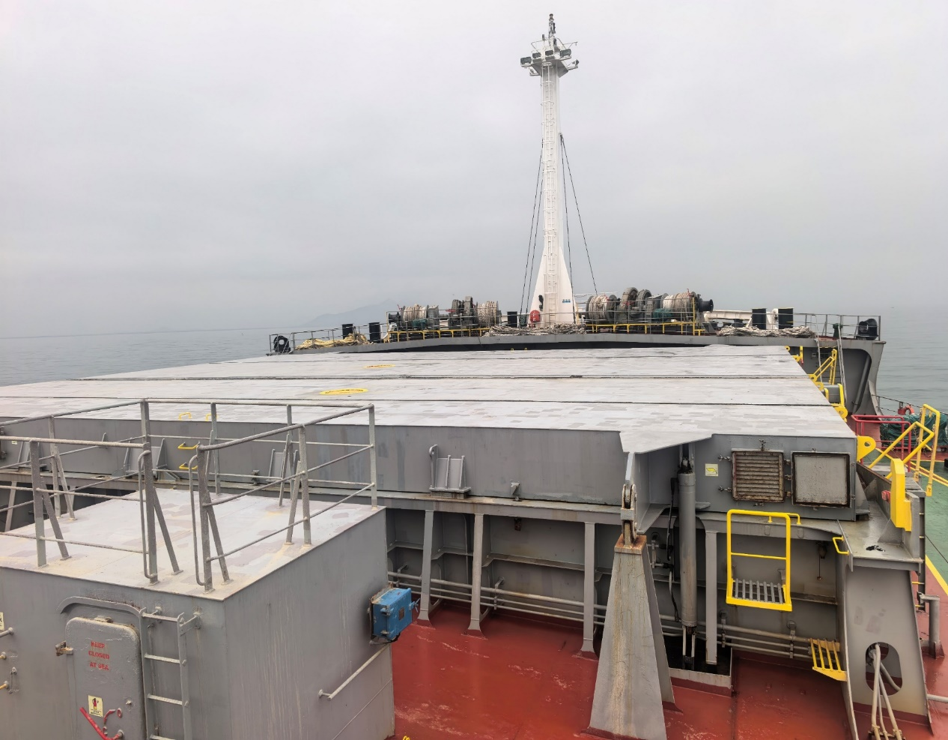
Underside of hatch cover covering full area:good conditon. | Bottom floor of cargo hold :moderate conditon | Top of hatch cover :good conditon
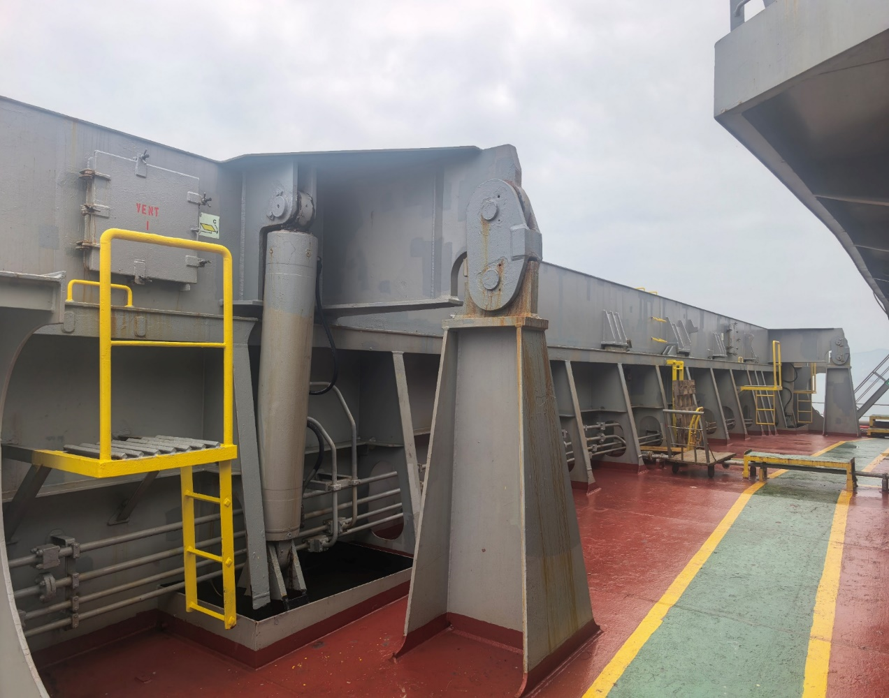 | 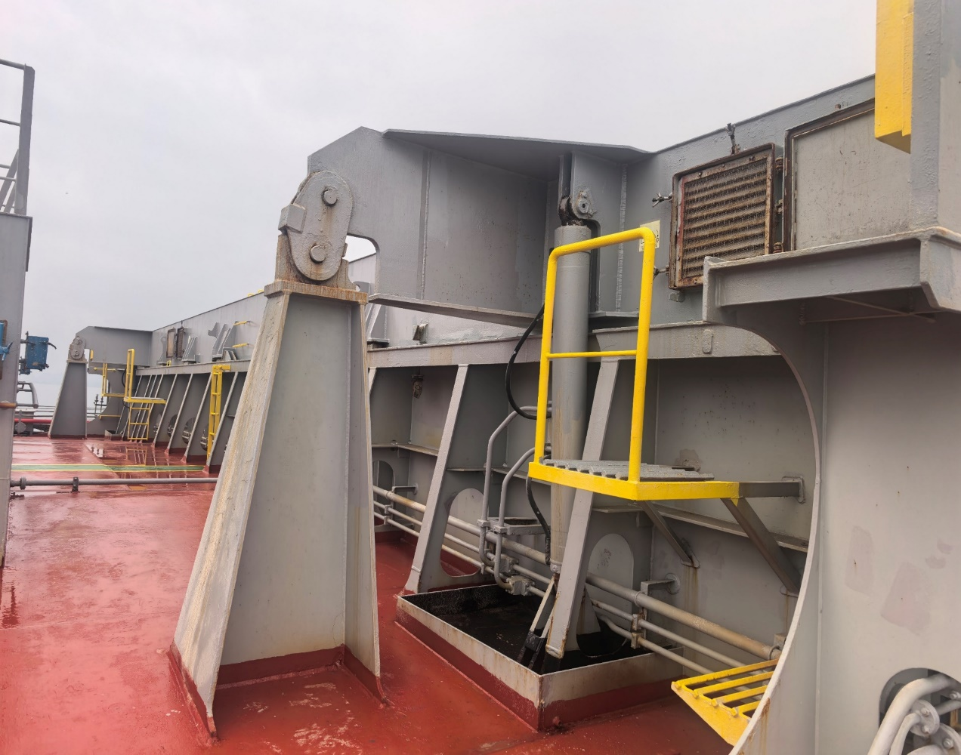 | 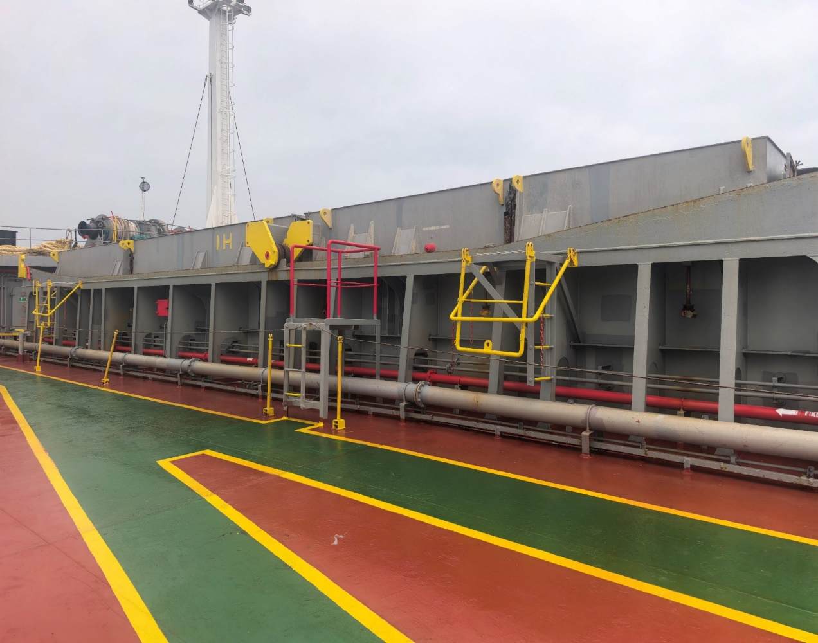 | 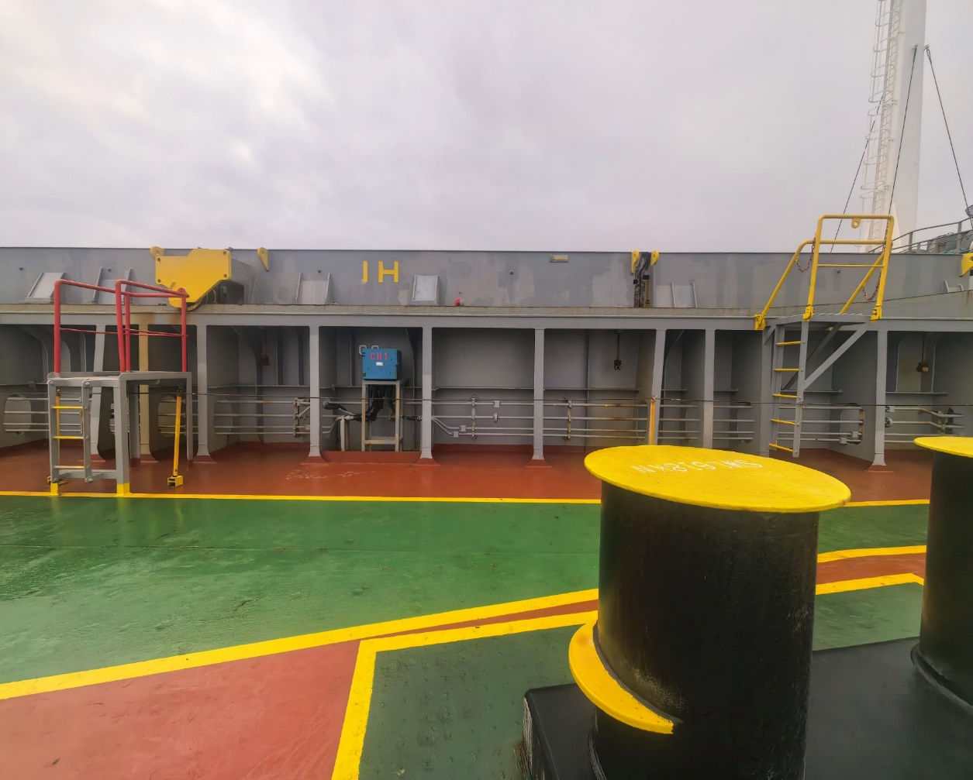
Hatch cover area forward side :good conditon | Hatch cover area AFT side :good conditon | Hatch cover area starboard side :good conditon | Hatch cover area port side :good conditon

